Sheet1
Day 1 | Week 1 | Week 2 | Week 3 | Week 4
 | Sets x Reps x rpe | Sets x Reps x rpe | Sets x Reps x rpe | Sets x Reps x rpe
Barbell Squat | 3x10@7 | 4x10@7 | 4x10@8 | 4x10@8
Pause squat 1-2 sec in the hole | 3x3@7 | 3x3@7 | 3x3@7 | 3x3@7
Single leg - leg press | 3x10@8 | 3x10@8 | 3x10@8 | 3x10@8
Calf raises Standing | 3x12 | 3x12 | 3x12 | 3x12
Seated calf raises (1 sec iso hold at the top) | 3x10 | 3x10 | 3x10 | 3x10
Day 2
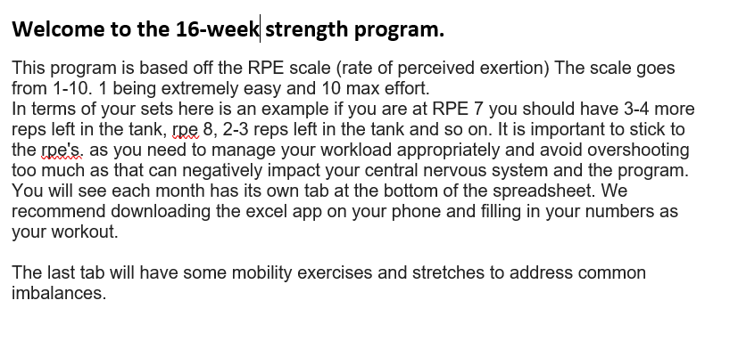
Dbell Bench Press | 3x7@7 | 3x8@8 | 4x9@8 | 4x10@8
Machine chest press | 4x10@10 | 4x10@10 | 4x10@10 | 4x10@10
Incline dbell fly's (slight bend at elbows) | 3x8@7 | 3x10@7 | 3x10@7 | 3x10@7
Tricep Pulldowns | 3x10 | 3x10 | 3x10 | 3x10
Face Pulls | 4x12 | 4x12 | 4x12 | 4x12
Day 3
Barbell Row | 3x8@8 | 4x8@8 | 4x8@8 | 4x8@8
Lat Pull Downs (drop set last set) | 4 x 12 | 4 x 12 | 4 x 12 | 4 x 12
Dumb Bell rows | 3x10 | 3x10 | 3x10 | 3x10
Seated Rows (drop set last set) | 3x10 | 3x10 | 3x10 | 3x10
Pallof Press | 3 sets x 30 sec a side | 3 sets x 30 sec a side | 3 sets x 30 sec a side | 3 sets x 30 sec a side
Day 4
Seated Shoulder press | 3x6@7 | 3x6@8 | 3x6@8 | 3x6@8
Lateral raises (bent arm 45degrees) | 4x8 | 4x8 | 4x8 | 4x8
Bicep Super set workout do the next 3 bicep exercises one ofter the other no break. 1-2 minutes inbetween sets |  |  |  |  | Video explaining arm workout - bear with the quality it's old
Wide Grip Pronated Curls | 3x8 | 3x8 | 3x8 | 3x8 | https://www.youtube.com/watch?v=VjdcLIbmgvA
ss Hammer Curls | 3x8 | 3x8 | 3x8 | 3x8
ss Regular curls | 3x8 | 3x8 | 3x8 | 3x8
Day 5
Tricep Super Set- Do the next 3 exercises one after another. 1-2 minute break inbetween sets
skull crusher to forehead
Skull crusher to chin
Close grip bench burnout
plank | 2 sets | 2 sets | 2 sets | 2 sets

