Sheet1
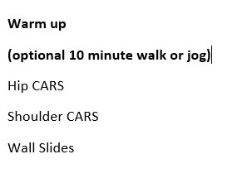
 | KF At Home Training Program Phase 1
Day 1
Exercise | Sets | Reps | RPE | Weight/notes
Barbell Squat | 3 | 8 | 8
leg press | 3 | 12 | 8
Barbell Row | 3 | 10 | 9
Seated Row | 3 | 12 | 9
Plank | 3
 |  |  |  |  | Cool Down 10-15 minutes static stretching

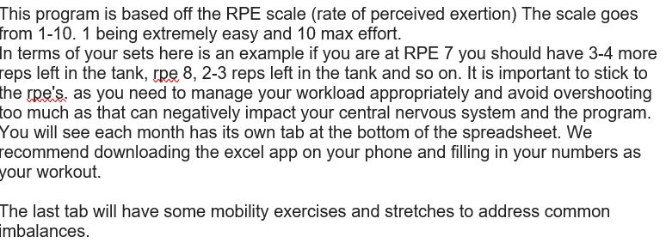

Treadmill incline walk 30 minutes (rotate intensities every 5 minutes between fast and slow)
Dumbell Bench Press | 3 | 8 | 8
Incline dbell press (30 degree) 3 second eccentric -lowering the weight to chest | 3 | 12 | 8
Lat Pull Downs | 3 | 10 | 9
Face Pulls | 4 | 10 | 9

Day 3
Exercise | Sets | Reps |  | Weight/Notes
Dunmbell Goblet Squat | 3 | 8 | 7
Pendlay Row | 3 | 8 | 8
Leg extension x Hamstring curl super set | 3 | 10 | 8
 | 3 | 10 | 8
Back extensions | 3 | 10
Pallof Press | 3 | 30 seconds/side

Exercise | Sets | Reps | Rpe | weight/notes
Elliptical 20 minutes (increase intensity every 5 minutes)
Standing Overhead press | 3 | 10 | 8
Z bar bicep curls (4 second eccentric last set) | 3 | 12 | 9
Skull Crushers | 3 | 12 | 9
Bicep curl ss Tricep Extensions (one second hold last set) | 3 | 10 | 9
Bird Dog (abs/core) | 2 | 10

Exercise | Sets | Reps | Rpe | weight/notes
Cardio machine of choice 30 minutes
Circuit (reverse lunges, standing dbell rows,step ups weighted, mountain climbers) | 5 Rounds do each exercise one after the other 30 -40 sec break between exercise 1min break between sets. 1 set is going through each exercise
Reverse Lunges
Bent Over Dunmbell Rows
Step ups(weighted or bodyweight)
Mountain Climbers
Plank | 2 sets
Side plank | 2 sets

